Deffect №1
Bug ID | ID Number | BR001
 | Name | Duplication city names
 | Reporter | Artsiom Yahorau
 | Date | 2022-08-08
Bug Overview | Summary | Duplicate city names in the city list
 | Application | mobileAssignment
Environment | Application version | 1.0.0
 | Android version | 10 and above
Bug details | Steps to reproduce | 1. Enter the app 2. Scroll down to the Aach, DE
 | Expected result | There is no duplication of the name of the city
 | Actual result | Many city names are duplicated
 | Additional Description
Bug tracking | Status | New
 | Priority | Middle
 | Severity | Low
Notes | Attachment | 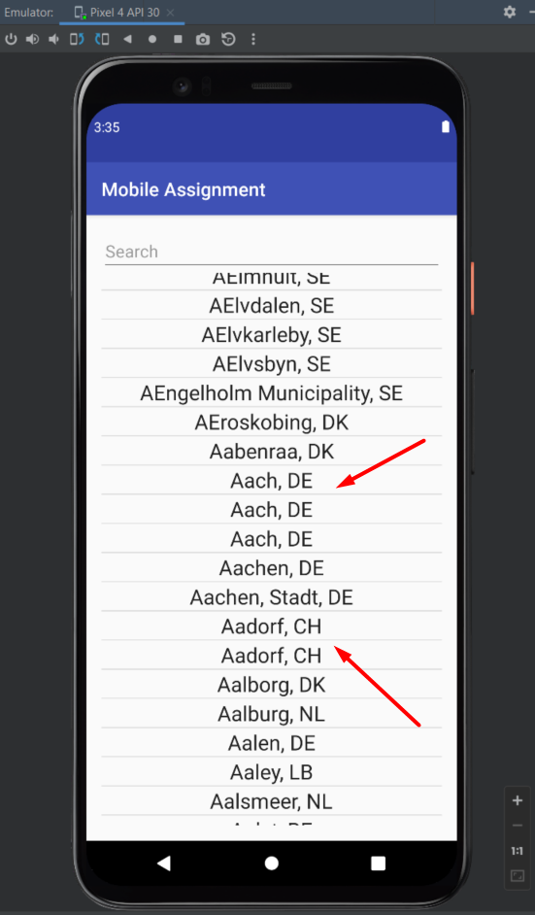
 | Assigned to | Developer
 | Sprint link | A 001
 | Bug type | Funtional

Deffect №2
Bug ID | ID Number | BR002
 | Name | Incorrect search
 | Reporter | Artsiom Yahorau
 | Date | 2022-08-08
Bug Overview | Summary | Incorrect search. Country search is possible.
 | Application | mobileAssignment
Environment | Application version | 1.0.0
 | Android version | 10 and above
Bug details | Steps to reproduce | 1. Enter the app 2. Enter "United" in the search field
 | Expected result | Inability to search by countries
 | Actual result | Ability to search by countries
 | Additional Description
Bug tracking | Status | New
 | Priority | Middle
 | Severity | middle
Notes | Attachment | 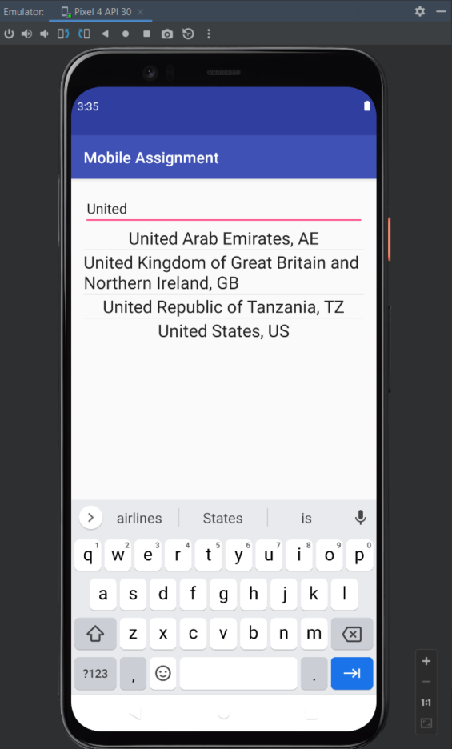
 | Assigned to | Developer
 | Sprint link | A 001
 | Bug type | Funtional

Deffect №3
Bug ID | ID Number | BR003
 | Name | Incorrect search for a city by its full name with special characters
 | Reporter | Artsiom Yahorau
 | Date | 2022-08-08
Bug Overview | Summary | If you enter ',' the resulting list becomes empty
 | Project | MobileAssignment
Environment | Application version | 1.0.0
 | Android version | 10 and above
Bug details | Steps to reproduce | 1. Enter the app 2. Enter 't Hofke, NL' in the search field
 | Expected result | The resulting list contains data
 | Actual result | The resulting list is empty
 | Additional Description
Bug tracking | Status | New
 | Priority | Middle
 | Severity | Low
Notes | Attachment | 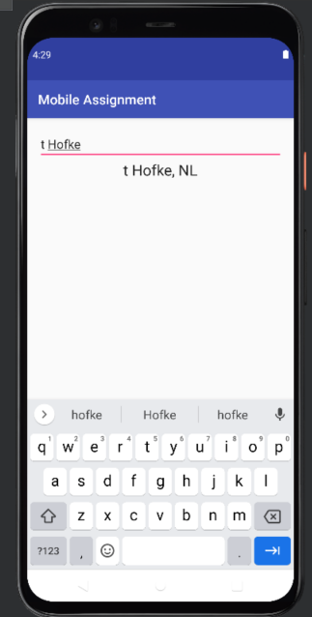 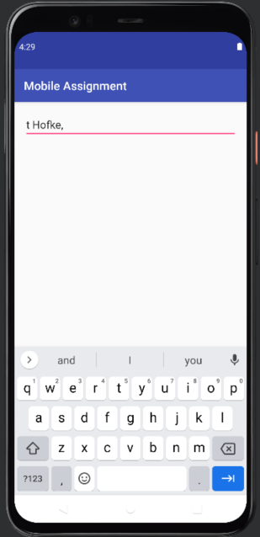
 | Assigned to | Developer
 | Sprint link | A 001
 | Bug type | Funtional

Deffect №4
Bug ID | ID Number | BR004
 | Name | The screen does not adapt when you rotate
 | Reporter | Artsiom Yahorau
 | Date | 2022-08-08
Bug Overview | Summary | The screen does not adapt when you rotate
 | Project | MobileAssignment
Environment | Application version | 1.0.0
 | Android version | 10 and above
Bug details | Steps to reproduce | 1. Enter the app 2. Turn the screen upside down
 | Expected result | The screen adapts
 | Actual result | The screen does not adapt when you rotate
 | Additional Description
Bug tracking | Status | New
 | Priority | High
 | Severity | High
Notes | Attachment | 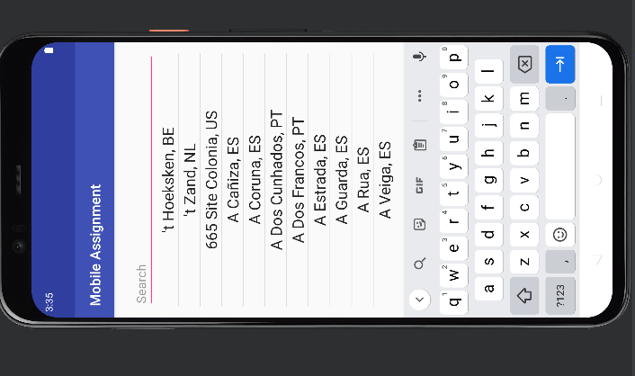
 | Assigned to | Developer
 | Sprint link | A 001
 | Bug type | Funtional

